Sheet1
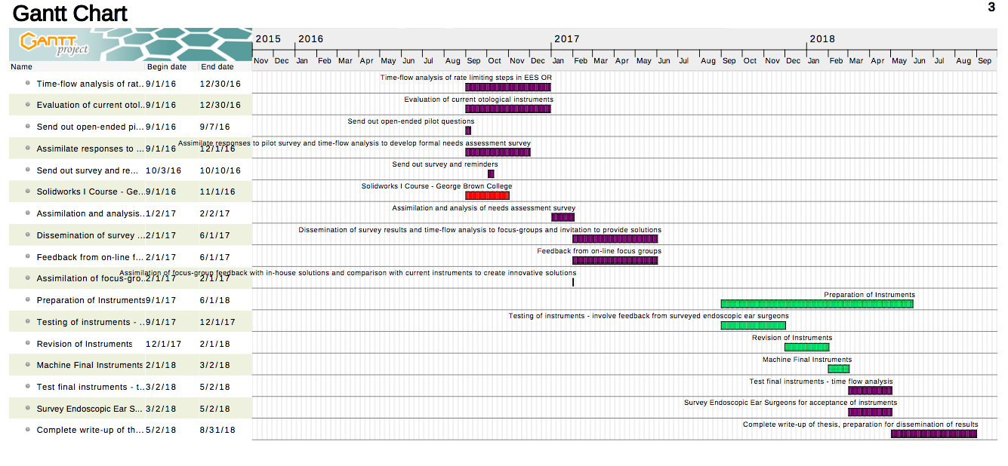
Timeline for MASc. Developing Endoscopic Ear Surgery Instruments
Month: | Milestone:
Sep-16 | Time-flow analysis of rate limiting steps in endoscopic ear surgery in operating room
 | Evaluation of ergonomics, strengths and weaknesses of current otologic intruments
 | Send out open-ended pilot questions
 | Assimilate responses to pilot survey and time-flow analysis to develop formal needs assessment survey
 | Send out survey and reminders
 | Solidworks course at George Brown
Jan-17 | Assimilation and analysis of needs assessment survey
Feb-17 | Dissemination of survey results and time-flow analysis to focus-groups and invitation to provide solutions
 | Feedback from on-line focus groups
Jun-17 | Assimilation of focus-group feedback with in-house solutions and comparison with current instruments to create innovative solutions
Sep-17 | Preparation of instruments
 | Testing of instruments - involve feedback from surveyed endoscopic ear surgeons
 | Revision of instruments
 | Machine Final Instruments
 | Testing of final instruments - time flow analysis, evaluate if instruments are improving rate-limiting steps
 | Survey Endoscopic Ear Surgeons for acceptance of instruments
Aug-18 | Complete write up of thesis, preparation for dissemination of results.

